ATT2
step | Action | Expected Result |  | END_TO_END (NESTE CARD 120EUR BALANCE, LATVIAV LANGUAGE, 10LITERS TO FILL)
1 | (Park your car near petrol pump). Come to payment terminal next to your pump. | Welcome message on terminal | 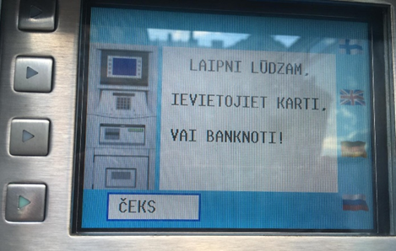
2 | Insert NESTE card into card vender | 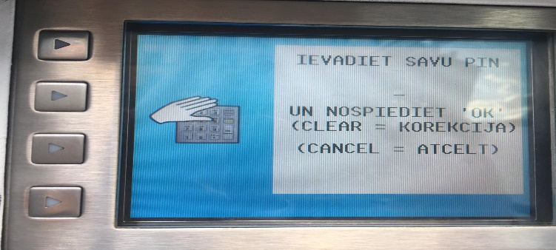 request to enter pin appears
3 | Enter correctly pin from keyboard and Enter OK | terminal suggest to choose a fuel pump | 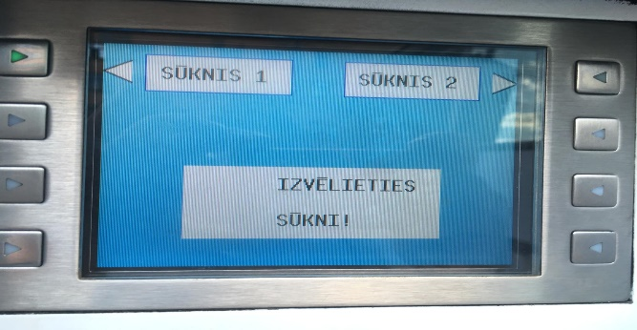
4 | Choose number of your fuel pump (in this case -Sūknis 1) (Press the button in front of Sūknis 1 image in the upper left corner of the screen) | message about starting fuelling process appears | 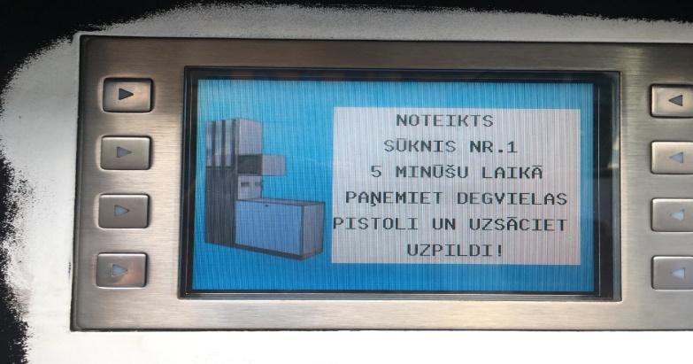
5 | Within 5 minutes Take fuelling nozzle from your pump and insert into petrol tank of your car. Press nozzle trigger and hold it to tank up | tank up process, starting fuel and money counter on automat screen
6 | When counter is on 10 litters -Release trigger to stop Place back fuelling nozzle | tankup process stopped
7 | To take receipt, come again to payment terminal and insert your NESTE card into card vender | Terminal prints check | 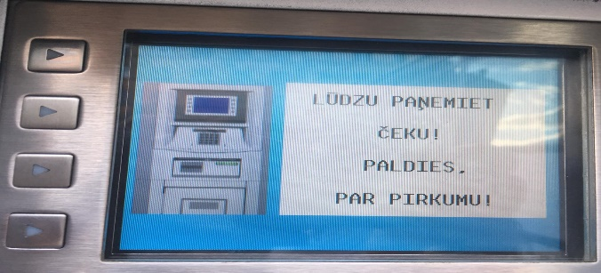
8 | Take your receipt and check the data: date, price.

ATT1
step | Action | Expected Result | Actual result
1 | Choose different languages in terminal menu | Welcome message on chosen language, all menu and steps on chosen language
2 | Insert neste card (full of money) and tank up full tank (repeat steps 2-4 from end-to end, then press nozzle trigger till click to fix trigger). | Expected result: tank up process should stop automatically when tank is full.
3 | Insert Neste card with a few euro balance (steps 2. -4 then fix trigger) | Expected result: tank up process should stop automatically when the card is out of limit
4 | Insert Neste card with 0 balance | (tank up process should not start)
5 | Insert credit card with 120-euro balance | Choose sum message on the screen | 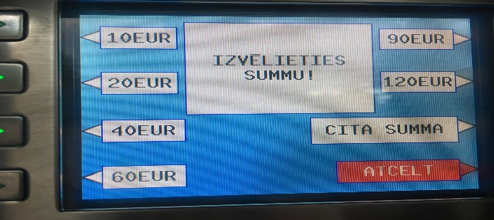
6 | Insert credit card with balance 2 euro, repeat steps 2-4 from ATT 2 | ?? tank up process won't start/start in a sec/won't be able to count exact amount of liters
7 | Insert credit card with balance 0 euro | tank up process shouldn't start
8 | Insert credit card with balance 0 euro and overdraft option, repeat steps 2-4 from ATT2 | ?? Tank up process will start
9 | Insert fuel nozzle first, repeat steps 2-4 from ATT2 | Tank up process will start
10 | Insert cash 20 euro, repeat steps 4-5 tank up to 10 euro. Release trigger to stop Place back fuelling nozzle. Take voucher. Try to take money back or use this sum later (call operator. Say your check data) | neste should suggest use 10 euro for next tank up
11 | Insert credit card, chose 20 euro, repeat steps 4-5 tank up to 10 euro. Release trigger to stop Place back fuelling nozzle. Do not take voucher. Try to take money back or use this sum later (call operator, say exact time and place you used terminal) | neste should check data and suggest to use 10 euro for next tank up.
12 | Insert cash. Do not tank up. Leave after 5 minutes | After 5 minutes tank up will cancel, and terminal will print check
13 | Insert cash 20 eur. Choose pump. Take nozzle, place back nozzle. Do not tank up. Leave after 1 minute (without voucher) After you comes new customer and inserts card. You remember exact time you used terminal. Try to take back your money (by calling operator) | Next customer won't use your money, operator can check the data and suggest to use this cash next time
14 | Insert cash 20 eur or card with 20+ eur balance. Choose pump. Do not take nozzle. Do not tank up. Leave after 1 minute (without voucher) After you comes new customer and inserts nozzle . You remember exact time you used terminal. Try to take your money back (by calling operator) | Next customer will use your money. Operator can check the data using cameras on Statoil
15 | Insert cash or card. Choose pump. Do not take nozzle. Do not tank up. Leave after 1 minute (without voucher) After you comes new customer and inserts nozzle . You don’t remember exact time you used terminal. Try to take your money back (by calling operator) | Next customer will use your money
16 | Insert 50 RUB into cash acceptor | Cash acceptor won't accept cash
17 | Insert 10 USD into cash acceptor | Cash acceptor won't accept cash
18 | Insert 20 EUR into cash acceptor. Take nozzle without choosing automat. Leave nozzle in tank, then come again to terminal to choose automat. | tank up process will start
19 | Insert 20 EUR into cash acceptor. Choose your automat. Then take nozzle of 95*. Fill 3 litters, realize that actually you needed DT. Take back nozzle of 95* and try to take nozzle of DT and tank up. | Process stops after you placed back 95* nozzle. You can't use DT nozzle
20 | Insert RIMI card into card vender, take back rimi card, repeat steps 2-5 using cash or money, fill 10 liters, Place back fuelling nozzle. Do not take voucher. | You'll get bonuses on Rimi card
21 | Repeat steps 2-4 Push “cancel” button on the terminal keyboard when this message appears | Tank up process should cancel

